Report
My Little Loved One's Health Log
Baby's Name |  |  |  |  |  |  |  |  |  |  |  |  | 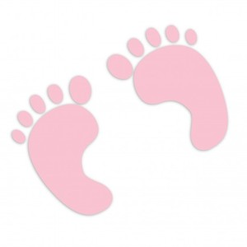
What time does the doctor/team do rounds? |  |  |  |  |  |  |  | Dr Name:
What time is shift change for the nurses (normally)? |  |  |  |  |  |  |  | Dr. Phone
What times are scheduled evaluation care? (measurements, temperature, etc) |  |  |  |  |  |  |  | NICU Phone
What time are feedings?
Other Important Event:
Other Important Event:
 | Kangaroo | Date | Nurses Name AM/PM | Weight | Oyxgen Level | Biphasic Level | Milk Level | Bradys Today | BM? | Any Tests? | Results that Came in Today | Start/Stop Medications | Time of medications | Tube Feed amount | Other Notes
 | yes | 2017-04-03 | Becky/Autumn | 1520 | 1 liter canula | none | 42 plus enrichment | 0 | yes | Weekly Growth Labs/Head Ultrasound | All tests Normal | Starting Caffeine | 6PM daily | 16 | SAMPLE - Baby took 24 ml through the bottle today and the rest through the NG feeding tube. His color is improving. Dr Martin said we will try all bottle feeds tomorrow. He seems to be spitting less..

